Li_2016
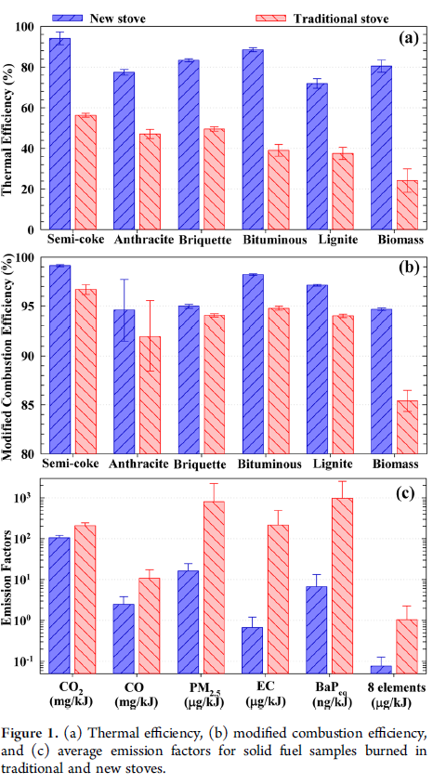
Li et al (2016) - Improving the Energy Efficiency of Stoves To Reduce Pollutant Emissions from Household Solid Fuel Combustion in China
https://pubs.acs.org/doi/abs/10.1021/acs.estlett.6b00324 |  |  | @article{li2016improving,
 |  |  | title={Improving the energy efficiency of stoves to reduce pollutant emissions from household solid fuel combustion in China},
Household thermal efficiency |  |  | author={Li, Qing and Jiang, Jingkun and Qi, Juan and Deng, Jianguo and Yang, Deshan and Wu, Jianjun and Duan, Lei and Hao, Jiming},
Year | Ef.product | Eta.fu | journal={Environmental Science \& Technology Letters},
1960 | Semi-coke | 0.554 | volume={3},
1960 | Anthracite | 0.448 | number={10},
1960 | Briquette | 0.461 | pages={369--374},
1960 | Bituminous | 0.356 | year={2016},
1960 | Lignite | - | publisher={ACS Publications}
1960 | Biomass | - | }
2015 | Semi-coke | 0.914
2015 | Anthracite | 0.726
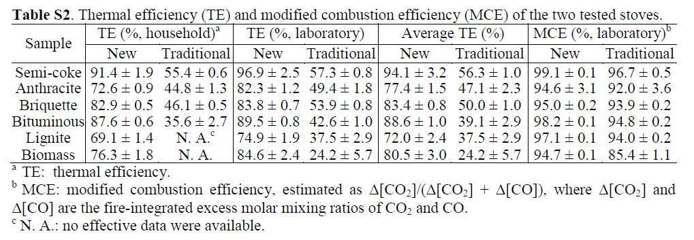
2015 | Briquette | 0.829
2015 | Bituminous | 0.876
2015 | Lignite | 0.691
2015 | Biomass | 0.763

1960 | Mean of coal products | 0.45475
2015 | Mean of coal products | 0.8072

Edwards_2004
Edwards et al (2004) - Implications of changes in household stoves and fuel use in China
https://doi.org/10.1016/S0301-4215(02)00309-9

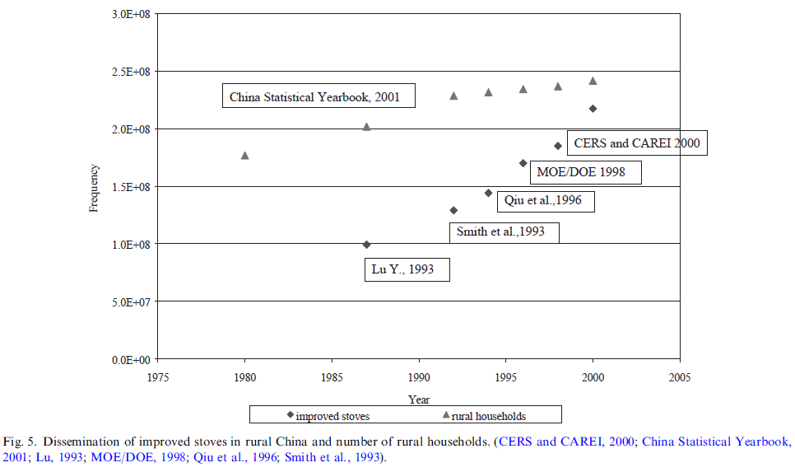
Country | Year | Number of Rural Households [-] | Number of Improved Stoves [-] | Proportion of Rural Households with an Improved Stove [-] | Source/Method | Proportion of Rural Households without an Improved Stove [-]
CHN | 1960 |  |  | 0.00% | Assumed 0% | 100.00%
CHN | 1961 |  |  | 1.84% | Linear interpolation | 98.16%
CHN | 1962 |  |  | 3.68% | Linear interpolation | 96.32%
CHN | 1963 |  |  | 5.53% | Linear interpolation | 94.47%
CHN | 1964 |  |  | 7.37% | Linear interpolation | 92.63%
CHN | 1965 |  |  | 9.21% | Linear interpolation | 90.79%
CHN | 1966 |  |  | 11.05% | Linear interpolation | 88.95%
CHN | 1967 |  |  | 12.90% | Linear interpolation | 87.10%
CHN | 1968 |  |  | 14.74% | Linear interpolation | 85.26%
CHN | 1969 |  |  | 16.58% | Linear interpolation | 83.42%
CHN | 1970 |  |  | 18.42% | Linear interpolation | 81.58%
CHN | 1971 |  |  | 20.27% | Linear interpolation | 79.73%
CHN | 1972 |  |  | 22.11% | Linear interpolation | 77.89%
CHN | 1973 |  |  | 23.95% | Linear interpolation | 76.05%
CHN | 1974 |  |  | 25.79% | Linear interpolation | 74.21%
CHN | 1975 |  |  | 27.63% | Linear interpolation | 72.37%
CHN | 1976 |  |  | 29.48% | Linear interpolation | 70.52%
CHN | 1977 |  |  | 31.32% | Linear interpolation | 68.68%
CHN | 1978 |  |  | 33.16% | Linear interpolation | 66.84%
CHN | 1979 |  |  | 35.00% | Linear interpolation | 65.00%
CHN | 1980 | 176352880.66 |  | 36.85% | Linear interpolation | 63.15%
CHN | 1981 | 179827160.49 |  | 38.69% | Linear interpolation | 61.31%
CHN | 1982 | 183301440.33 |  | 40.53% | Linear interpolation | 59.47%
CHN | 1983 | 186775720.16 |  | 42.37% | Linear interpolation | 57.63%
CHN | 1984 | 190250000 |  | 44.22% | Linear interpolation | 55.78%
CHN | 1985 | 193724279.84 |  | 46.06% | Linear interpolation | 53.94%
CHN | 1986 | 197198559.67 |  | 47.90% | Linear interpolation | 52.10%
CHN | 1987 | 200672839.51 | 99819743.698 | 49.74% | Edwards et al (2004) | 50.26%
CHN | 1988 | 205935994.25 | 105829097.07 | 51.39% | Edwards et al (2004) | 48.61%
CHN | 1989 | 211234807.62 | 111774388.77 | 52.91% | Edwards et al (2004) | 47.09%
CHN | 1990 | 216533621 | 117719680.47 | 54.37% | Edwards et al (2004) | 45.63%
CHN | 1991 | 221832434.38 | 123664972.16 | 55.75% | Edwards et al (2004) | 44.25%
CHN | 1992 | 227131247.75 | 129610263.86 | 57.06% | Edwards et al (2004) | 42.94%
CHN | 1993 | 229159891.6 | 137562962.96 | 60.03% | Edwards et al (2004) | 39.97%
CHN | 1994 | 231008732.31 | 145733212.89 | 63.09% | Edwards et al (2004) | 36.91%
CHN | 1995 | 231827160.49 | 158675097.86 | 68.45% | Edwards et al (2004) | 31.55%
CHN | 1996 | 232585185.19 | 171386735.57 | 73.69% | Edwards et al (2004) | 26.31%
CHN | 1997 | 234423366.46 | 178438128.05 | 76.12% | Edwards et al (2004) | 23.88%
CHN | 1998 | 236272207.17 | 185489520.53 | 78.51% | Edwards et al (2004) | 21.49%
CHN | 1999 | 238433862.43 | 202838838.84 | 85.07% | Edwards et al (2004) | 14.93%
CHN | 2000 | 240599647.27 | 217777777.78 | 90.51% | Edwards et al (2004) | 9.49%
CHN | 2001 |  |  | 90.92% | Linear interpolation | 9.08%
CHN | 2002 |  |  | 91.33% | Linear interpolation | 8.67%
CHN | 2003 |  |  | 91.74% | Linear interpolation | 8.26%
CHN | 2004 |  |  | 92.15% | Linear interpolation | 7.85%
CHN | 2005 |  |  | 92.55% | Linear interpolation | 7.45%
CHN | 2006 |  |  | 92.96% | Linear interpolation | 7.04%
CHN | 2007 |  |  | 93.37% | Linear interpolation | 6.63%
CHN | 2008 |  |  | 93.78% | Linear interpolation | 6.22%
CHN | 2009 |  |  | 94.18% | Linear interpolation | 5.82%
CHN | 2010 |  |  | 94.59% | Linear interpolation | 5.41%
CHN | 2011 |  |  | 95.00% | CTCN (2011) | 5.00%
CHN | 2012 |  |  | 95.33% | Linear interpolation | 4.67%
CHN | 2013 |  |  | 95.67% | Linear interpolation | 4.33%
CHN | 2014 |  |  | 96.00% | Linear interpolation | 4.00%
CHN | 2015 |  |  | 96.33% | Linear interpolation | 3.67%
CHN | 2016 |  |  | 96.67% | Linear interpolation | 3.33%
CHN | 2017 |  |  | 97.00% | Linear interpolation | 3.00%
CHN | 2018 |  |  | 97.33% | Linear interpolation | 2.67%
CHN | 2019 |  |  | 97.67% | Linear interpolation | 2.33%
CHN | 2020 |  |  | 98.00% | Assumed 98% | 2.00%

CTCN_2011
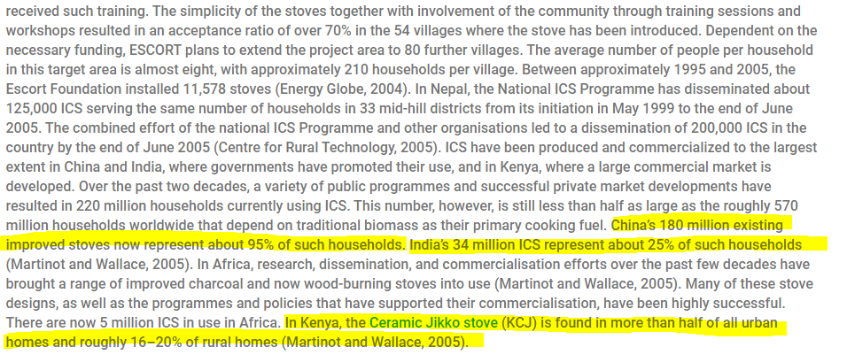
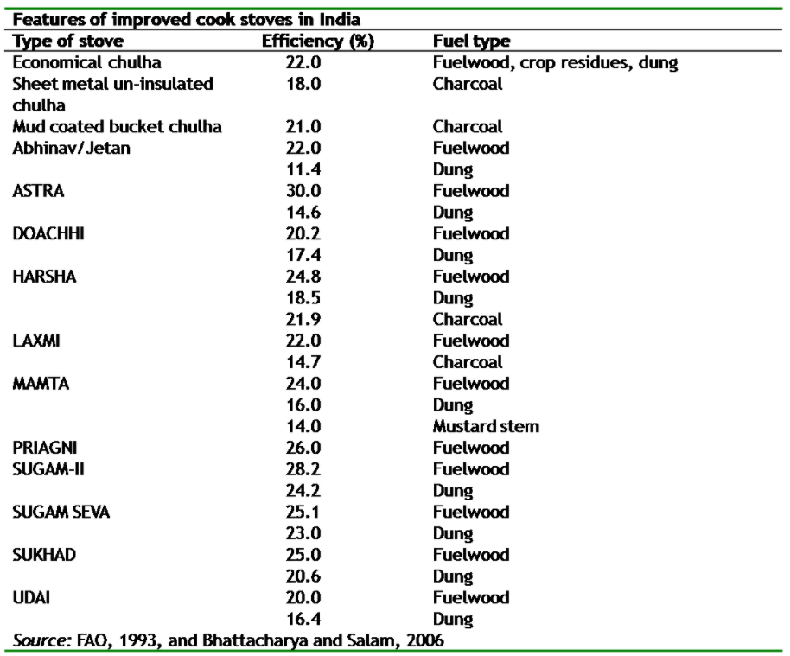
CTCN (2011) - Improved Cook Stoves
https://www.ctc-n.org/technologies/improved-cook-stoves
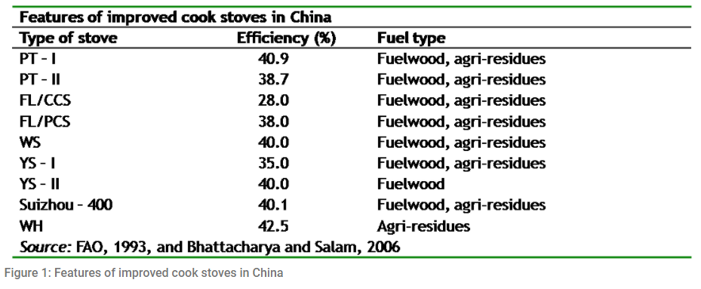

Year | Country | Proportion of Rural Households with an Improved Stove [-]
2011 | CHN | 95.00%
2011 | KEN
2011 | IND | 25.00%

PB COMMENTS
Date: 28/07/2021
Country | Energy.type | Last.stage | Method | Machine | Eu.product | Quantity | 1960 | 1961 | 1962 | 1963 | 1964 | 1965 | 1966 | 1967 | 1968 | 1969 | 1970 | 1971 | 1972 | 1973 | 1974 | 1975 | 1976 | 1977 | 1978 | 1979 | 1980 | 1981 | 1982 | 1983 | 1984 | 1985 | 1986 | 1987 | 1988 | 1989 | 1990 | 1991 | 1992 | 1993 | 1994 | 1995 | 1996 | 1997 | 1998 | 1999 | 2000 | 2001 | 2002 | 2003 | 2004 | 2005 | 2006 | 2007 | 2008 | 2009 | 2010 | 2011 | 2012 | 2013 | 2014 | 2015 | 2016 | 2017 | 2018 | 2019 | 2020
CHN | E | Final | PCM | Coal stoves | MTH.200.C | eta.fu | 44.80% | 45.31% | 45.82% | 46.34% | 46.85% | 47.36% | 47.87% | 48.39% | 48.90% | 49.41% | 49.92% | 50.43% | 50.95% | 51.46% | 51.97% | 52.48% | 52.99% | 53.51% | 54.02% | 54.53% | 55.04% | 55.56% | 56.07% | 56.58% | 57.09% | 57.60% | 58.12% | 58.63% | 59.09% | 59.51% | 59.91% | 60.30% | 60.66% | 61.49% | 62.34% | 63.83% | 65.29% | 65.96% | 66.62% | 68.45% | 69.96% | 70.08% | 70.19% | 70.30% | 70.42% | 70.53% | 70.64% | 70.76% | 70.87% | 70.98% | 71.10% | 71.21% | 71.30% | 71.40% | 71.49% | 71.58% | 71.67% | 71.77% | 71.86% | 71.95% | 72.04%
WRLD | E | Final | PCM | Coal stoves | MTH.200.C | eta.fu | 44.80% | 45.31% | 45.82% | 46.34% | 46.85% | 47.36% | 47.87% | 48.39% | 48.90% | 49.41% | 49.92% | 50.43% | 50.95% | 51.46% | 51.97% | 52.48% | 52.99% | 53.51% | 54.02% | 54.53% | 55.04% | 55.56% | 56.07% | 56.58% | 57.09% | 57.60% | 58.12% | 58.63% | 59.09% | 59.51% | 59.91% | 60.30% | 60.66% | 61.49% | 62.34% | 63.83% | 65.29% | 65.96% | 66.62% | 68.45% | 69.96% | 70.08% | 70.19% | 70.30% | 70.42% | 70.53% | 70.64% | 70.76% | 70.87% | 70.98% | 71.10% | 71.21% | 71.30% | 71.40% | 71.49% | 71.58% | 71.67% | 71.77% | 71.86% | 71.95% | 72.04%
WRLD | E | Final | PCM | Coal stoves | MTH.200.C | phi.u | 1.00 | 1.00 | 1.00 | 1.00 | 1.00 | 1.00 | 1.00 | 1.00 | 1.00 | 1.00 | 1.00 | 1.00 | 1.00 | 1.00 | 1.00 | 1.00 | 1.00 | 1.00 | 1.00 | 1.00 | 1.00 | 1.00 | 1.00 | 1.00 | 1.00 | 1.00 | 1.00 | 1.00 | 1.00 | 1.00 | 1.00 | 1.00 | 1.00 | 1.00 | 1.00 | 1.00 | 1.00 | 1.00 | 1.00 | 1.00 | 1.00 | 1.00 | 1.00 | 1.00 | 1.00 | 1.00 | 1.00 | 1.00 | 1.00 | 1.00 | 1.00 | 1.00 | 1.00 | 1.00 | 1.00 | 1.00 | 1.00 | 1.00 | 1.00 | 1.00 | 1.00

 |  |  | PB comments
 |  |  | 1 | some nice data here

 |  |  | PB comments #2
 |  |  | 1 | GBR residential solid fuels: mainly for space heating. But doesn’t end up in C_Master?
 |  |  | 2 | CHN residential allocation data: coal is mainly for cooking (~80%) with a little space heatign (~20%) too. But doesn’t end up in C_Master?
 |  |  | 3 | RUS - residentail fuel allocation data for coal: 87% to LTH.20.C; 13% to MTH.100.C. but both are listed as Coal stoves? But with different end eu products

